OXI ONE
OXI ONE REMOTE CONTROL

SYSEX HEADER | f0 00 21 5b 00 01

MSG ID |  |  |  | EXAMPLE MSG | COMMENT
ENTER REMOTE MODE | 0X06 0x55 | (0x06 is the cathegory message, no longer necessary once in REMOTE MODE) |  | f0 00 21 5b 00 01 06 55 f7
REMOTE MODE ENTERED ACK | 0X06 0x53 |  |  | F0 00 21 5B 00 01 06 53 F7
EXIT REMOTE MODE | 0x00 |  |  | f0 00 21 5b 00 01 00 f7
GRID LED | 0x01 | LED_ID = X + (Y * 16), R, G, B | x [0:7], y [0:15] | f0 00 21 5b 00 01 01 07 0d 0f 00 00 03 0f 00 f7 f0 00 21 5b 00 01 01 01 03 00 01 00 01 00 01 f7 | LED (row 2 col 4) r = 0xf0, g = 0x03, b = 0xf0 LED (row 2 col 4) r = 0x01, g = 0x01, b = 0x01
FUNCTION BUTTONS LED | 0x02 | BUTTON_ID (1 - 29), Value |  | f0 00 21 5b 00 01 02 00 04 00 01 f7 | LED 4, ON | enum { LEDS_OFF = 0, LEDS_ON = 1, LEDS_BLINK_ON = 2, LEDS_BLINK_FAST_ON = 4, LEDS_SHORT_ON = 6, } LEDS_functions_value_e;
OLED DUMP | 0x03 | 1024 x 2 bytes (due to the nibbling) |  | f0 00 21 5b 00 01 03 0f 0f 0f 0f 0f ... 0f f7 (2048 0x0f nibbles) | Full white screen
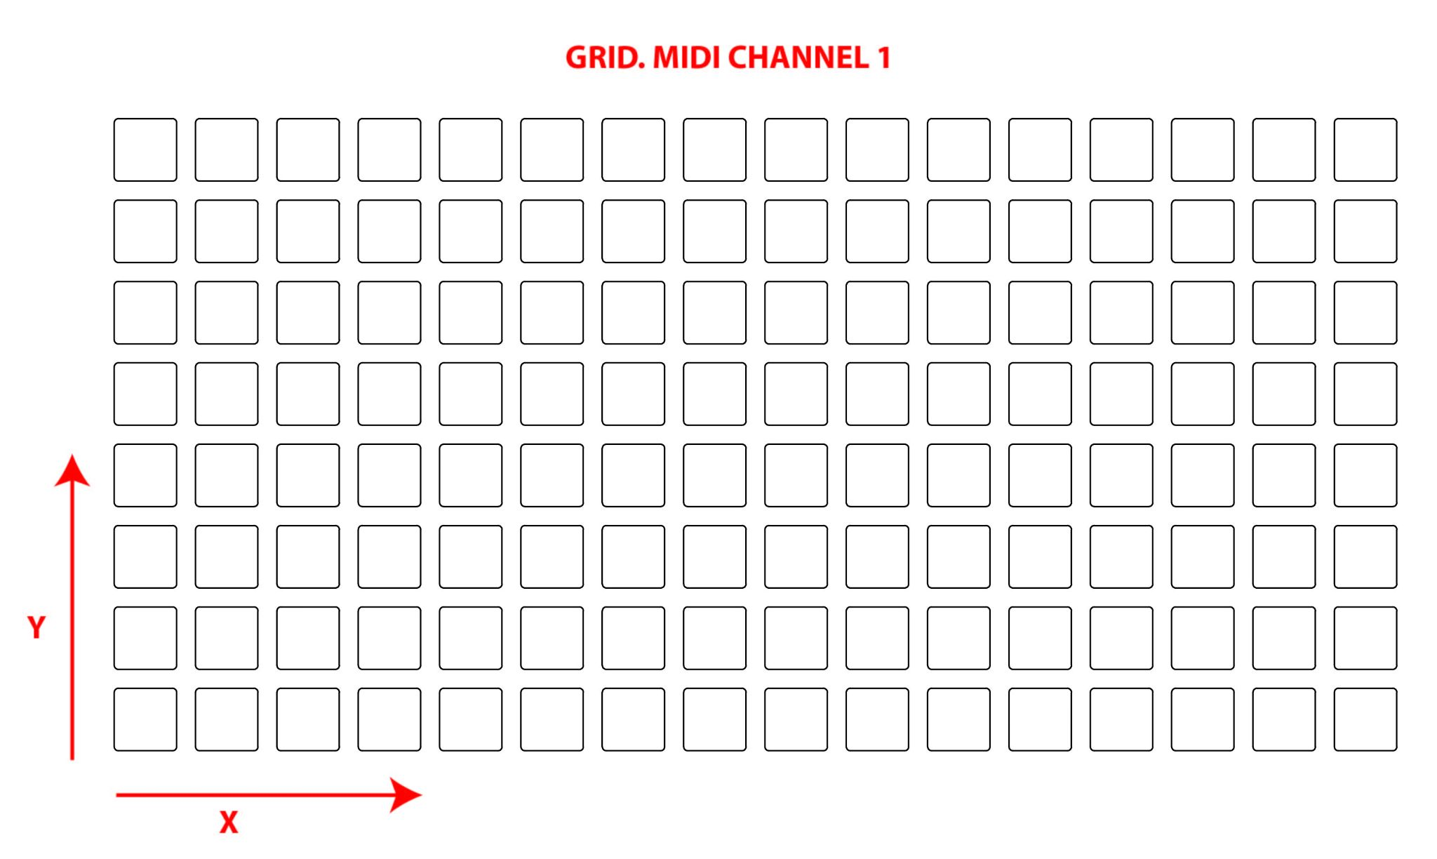
TBD CV, GATE, CLOCK, ETC | ...

Encoder TURN
MIDI CHANNEL 1 | CC number | Encoder number from left | CW TURN | CCW TURN
 | CC value | Encoder increment value with acceletarion | 0x01 to 0x08 | 0x11 to 0x18

FUNCTION BUTTONS
MIDI CHANNEL 2 | Note number | Button Number
 | Note ON | Button Just Pressed
 | Note OFF | Button Released

GRID BUTTONS
MIDI CHANNEL 1 | Note number | Button Number = X + Y * 16
 | Note ON | Button Just Pressed
 | Note OFF | Button Released
 |  |  |  | enum { arp_button = 0, seq_4_button, left_16_button, end_2_button, keyboard_preview_button, seq_3_button, up_32_button, init_x2_button, arranger_button, seq_2_button, down_48_button, save_button, back_button, seq_1_button, right_64_button, load_button, encoder1_button, shift_button, mod_button, copy_duplicate_button, encoder2_button, stop_button, division_button, paste_clear_button, encoder3_button, play_button, lfo_button, undo_button, encoder4_button, rec_button, step_chord_button, random_button, mute_button, PAD_BUTTON_SIZE, } FunctionButtons_e; | enum { LEDS_back = 0, LEDS_config, LEDS_arranger_show, LEDS_arranger_state, LEDS_keyboard, LEDS_preview, LEDS_arp, LEDS_arp_hold, LEDS_shift, LEDS_stop, LEDS_seq_1, LEDS_rec, LEDS_play, LEDS_seq_3, LEDS_nudge, LEDS_sync, LEDS_seq_1_sel, LEDS_seq_2, LEDS_seq_2_sel, LEDS_mute, LEDS_load, LEDS_seq_4, LEDS_seq_4_sel, LEDS_seq_3_sel, LEDS_save, LEDS_clear, LEDS_duplicate, LEDS_paste, LEDS_copy, LEDS_undo, LEDS_random, LEDS_redo, LEDS_random2, LEDS_init, LEDS_x2, LEDS_end, LEDS_2, LEDS_mod, LEDS_division, LEDS_follow, LEDS_lfo, LEDS_condense, LEDS_cvout, LEDS_step_chord, LEDS_expand, LEDS_16, LEDS_left, LEDS_32, LEDS_up, LEDS_48, LEDS_right, LEDS_64, LEDS_down, LEDS_noLed, LEDS_play2, LEDS_FUNCTIONS_SIZE, } LEDS_functions_e;

